Intro
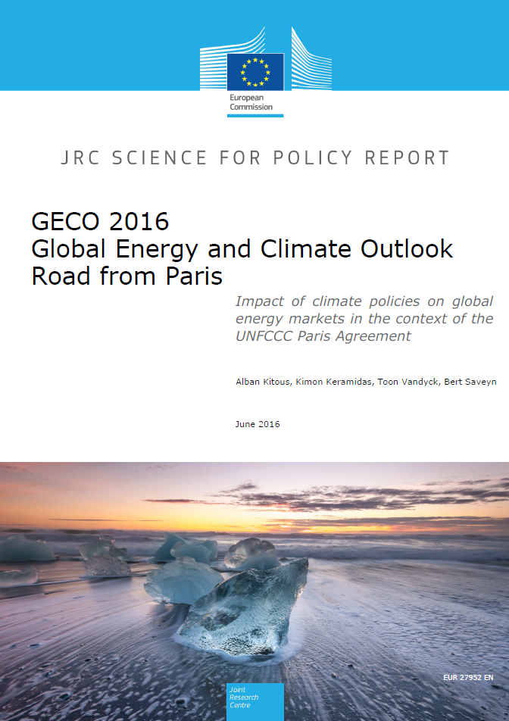
GECO2016 2020-2030 Policy Tables
European Commission JRC, June 2016

Accompanying document to the GECO2016 report
Kitous, A., Keramidas, K., Vandyck, T., Saveyn, B. (2016). GECO 2016. Global Energy and Climate Outlook. Road from Paris. EUR 27952 EN. doi:10.2791/662470

These tables provide the GHG and energy policies and objectives put forward by the countries in 2015 within the UNFCCC as INDC (Intended Nationally Determined Contribution) and considered in the GECO2016 report.

For more information see: | ec.europa.eu/jrc/geco

Index
Ref_GHG_2020 | GHG-related objectives considered for 2020 in the GECO2016 Reference scenario
Ref_Energy_2020 | Energy-related objectives considered for 2020 in the GECO2016 Reference scenario
INDC_GHG_2025-2030 | GHG-related objectives considered for 2025/2030 in the GECO2016 INDC scenarios
INDC_Energy_2025-2030 | Energy-related objectives considered for 2025/2030 in the GECO2016 INDC scenarios - also lists the LULUCF-related policies that appear in the INDCs

Key
Implemented | specific modelling parameters were modified in order to reach the policy target
Reached | the policy target is reached without the need of specific policy instruments
Not reached | policy not reached on purpose (policy considered outdated or too ambitious to be considered in the Reference scenario)
Sector not fully described | not considered because sector not fully described in GECO2016 modelling (for non-GHG policies 2025-2030)
Country not represented | not considered because country not independently described in GECO2016 modelling (for non-GHG policies 2025-2030)

